Sheet1
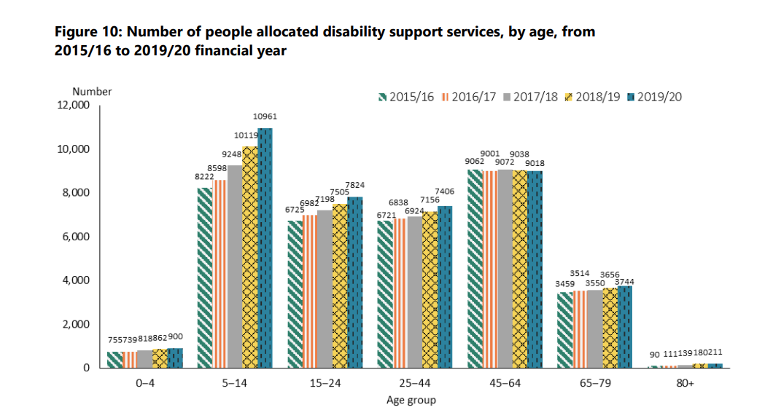
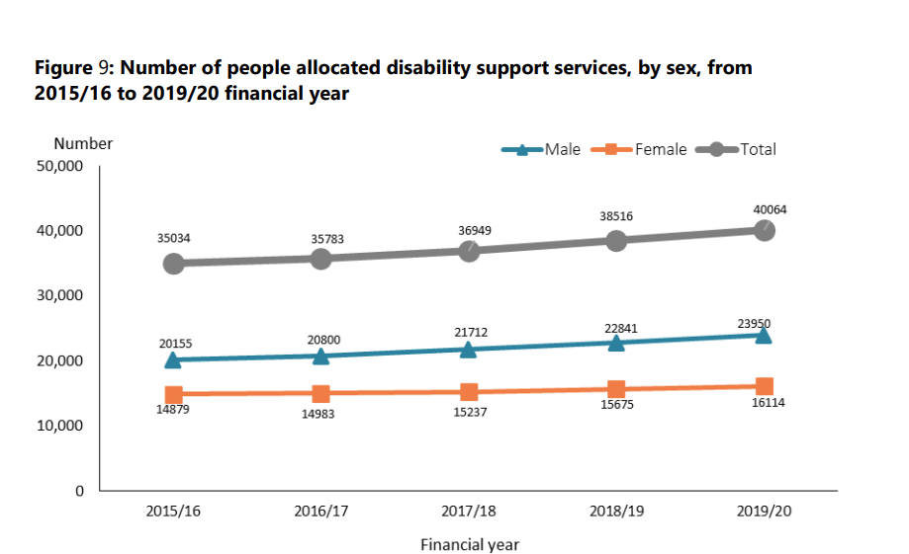
age | (All)

Sum of 2020 | Sum of 2019 | Sum of 2018 | Sum of 2017 | Sum of 2016 | Sum of 2015
39603 | 37173 | 35202 | 33528 | 32289 | 31119

40064 | 38516 | 36949 | 35783 | 35034
461 | 1343 | 1747 | 2255 | 2745
1% | 3% | 5% | 6% | 8%

